Location
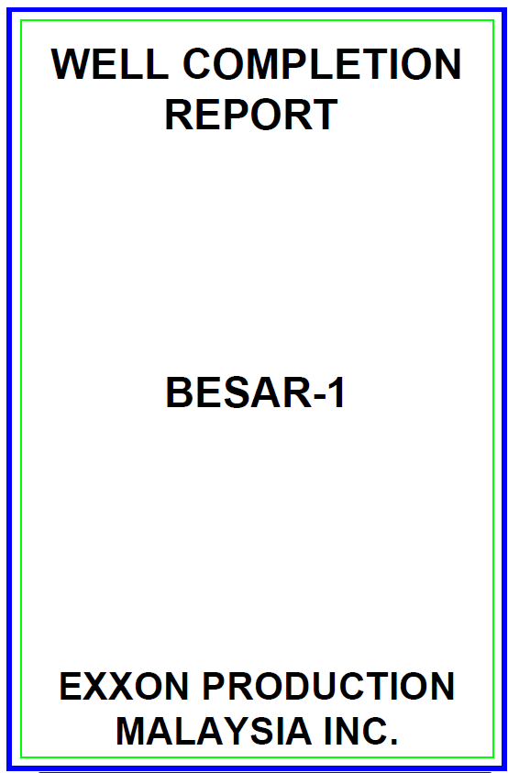
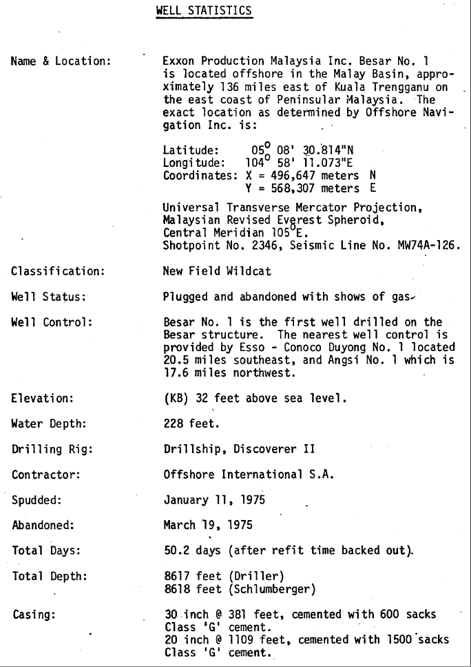
Well Name | x | y | KB (ft) | WD (m)
Besar-1 | 496,647 | 568,307 | 32 | 228

Formation Tops
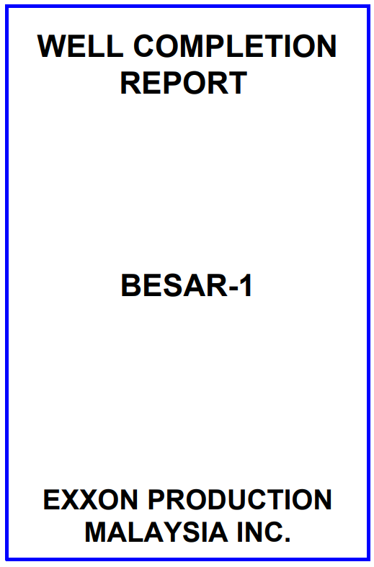
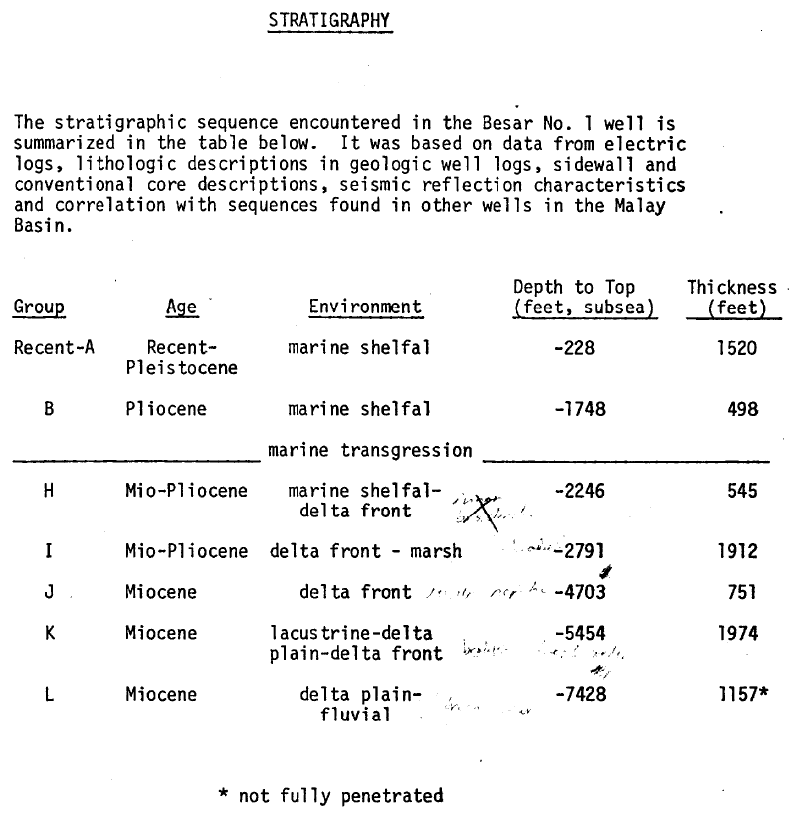
Formation Tops (Markers)
Formation Tops Name | Depth m MDDF | Depth ftTVDSS
Seabed |  | 228.0
Group B |  | 1748.0
Group H |  | 2246.0
Group I |  | 2791.0
Group J |  | 4703.0
Group K |  | 5454.0
,
Group L |  | 7428.0

Pressure Data
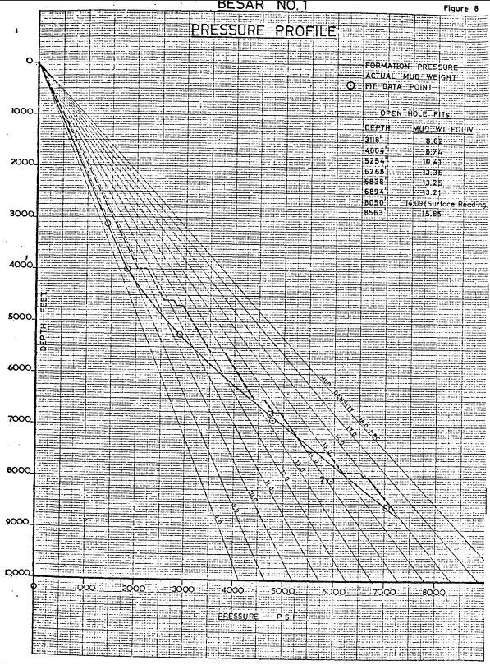
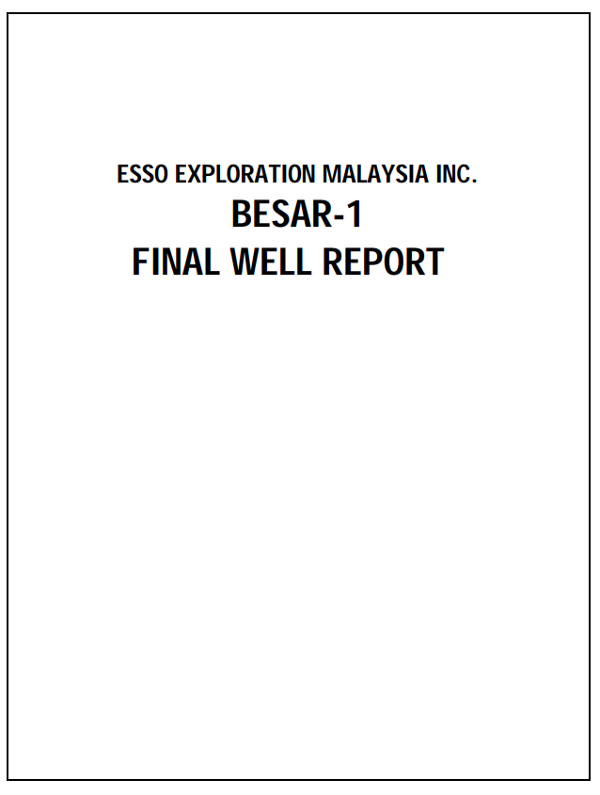
 |  |  | Pressure Data |  |  |  |  |  | name the pressure set sensibly, e.g. 'RFT', 'MDT_run1', split up as necessary etc | Temprature (oF)
ft MDDF | ft TVDDF | m TVDSS | Fm Pressure (psi) | Fm pressure (ppg) | Data Type | Quality | Mobility | Remark
5254.0 | 5222.0 | 1591.67 | 2845 | 10.48 | FIT | Good | NA | Valid
3118.0 | 3086.0 | 940.62 | 1398 | 8.71 | FIT | Good | NA | Valid
4004.0 | 3972.0 | 1210.67 | 1820 | 8.81 | FIT | Good | NA | Valid
6838.0 | 6806.0 | 2074.47 | 4713 | 13.32 | FIT | Good | NA | Valid
6768.0 | 6736.0 | 2053.13 | 4701 | 13.42 | FIT | Good | NA | Valid
6894.0 | 6862.0 | 2091.54 | 4735 | 13.27 | FIT | Good | NA | Valid
8050.0 | 8018.0 | 2443.89 | 5900 | 14.15 | FIT | Good | NA | Valid
8563.5 | 8531.5 | 2600.25 | 7056 | 15.91 | FIT | Good | NA | Valid

Casing
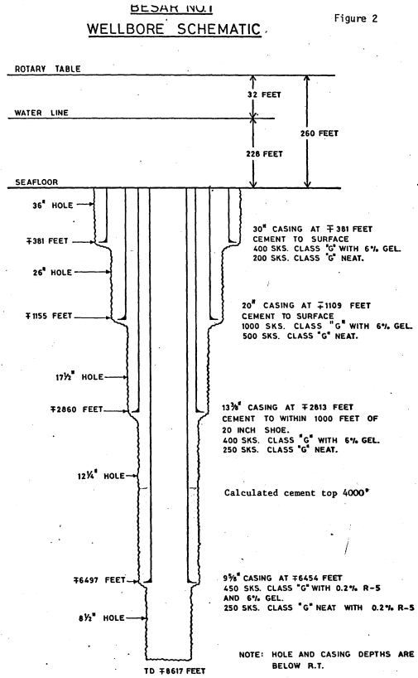
Casing
Casing Shoe Depth (m MD) | Casing Shoe Depth (m TVDDF) | size of casing - inches e.g 13 3/8, 9 5/8

LOT & FIT
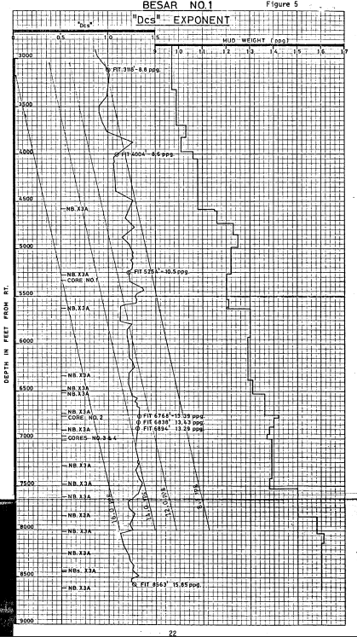
Leak-Off Test and Formation Integrity Test Data |  |  |  |  |  |  | Pressure set name = LOT, LT, or LOT + LT
m MDDF | m TVDDF | EMW (ppg) | Pressure (psi) | Data Type | Quality | Remark

EMW Conversion if required:
PPG | SG
input | #VALUE!
#VALUE! | input

NB - actual LOT/LT depth should be the casing shoe depth

Lithology
Lithological Information
Depth m (MD) | Lithology description | RokDoc Code




